Bug 4
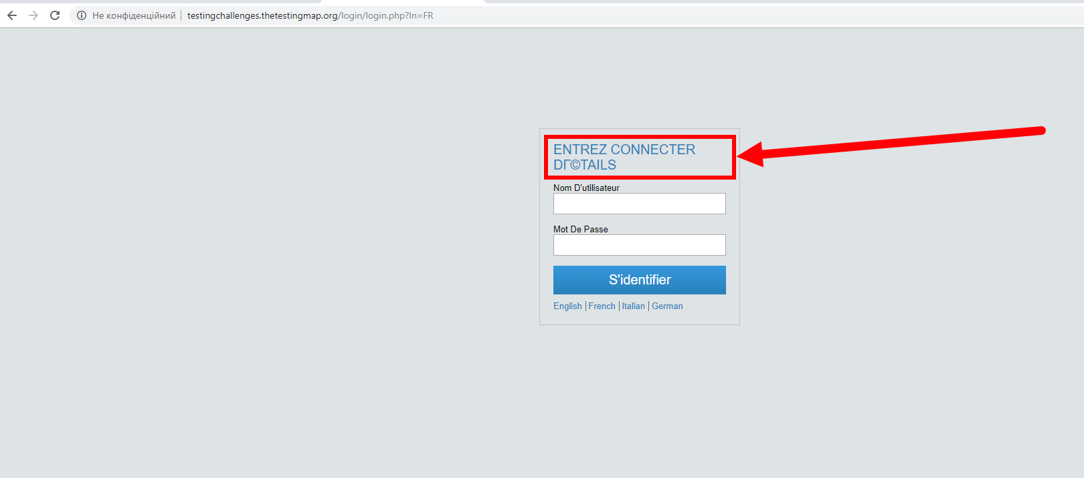
Category
Reproducibility | Always / Sometimes / Random / Heve not tried / Unable to reproduce

Severity | Trivial / Text / Tweak / Minor / Major / Crash / Block

Priority | Low / Normal / Hight /

Environment: | OS: Windows 10 x64 Browser: Google Chrome 78.0.3904.87

Assign To | Taras Maksymiv

Summary | The header text of the "Log In" block is not fully translated on the "Log In" page after changing to the French language

Steps To Reproduce | 1) Open the page: http://testingchallenges.thetestingmap.org/login/login.php 2) Click the "French" link button 3) Pay attention to the header text of "Log In" block Actual results: The header text of the "Log In" block is not fully translated on the "Log In" page after changing to the French language. Expected results: All text in the "Log In" block are translated after chanching page languagy.

Attachments:

Bug 7
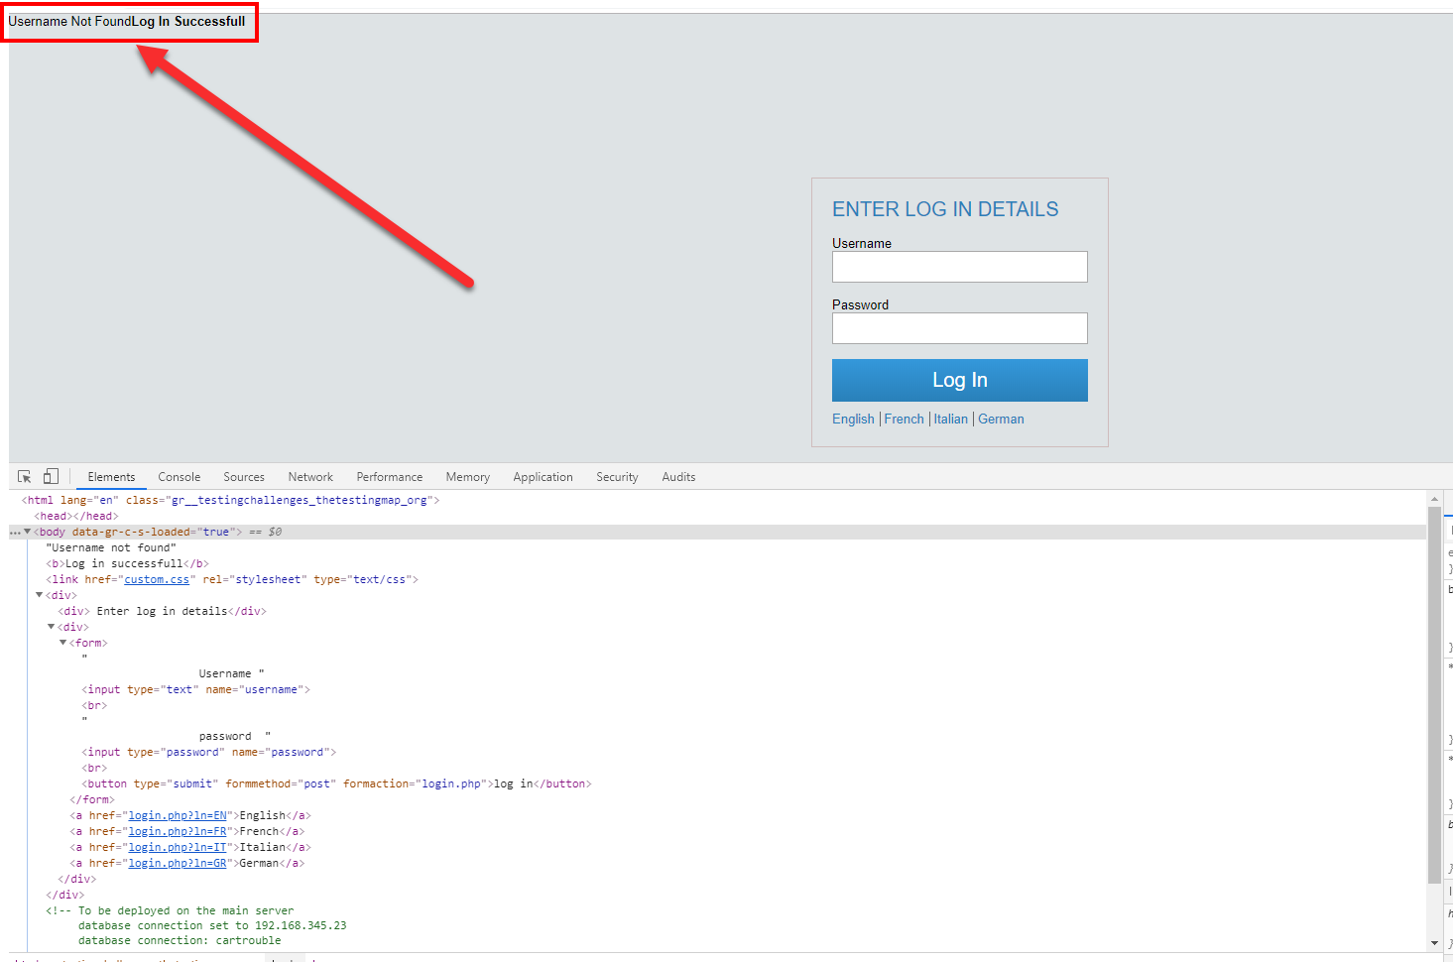
Category
Reproducibility | Always / Sometimes / Random / Heve not tried / Unable to reproduce

Severity | Trivial / Text / Tweak / Minor / Major / Crash / Block

Priority | Low / Normal / Hight /

Environment: | OS: Windows 10 x64 Browser: Google Chrome 78.0.3904.87

Assign To | Taras Maksymiv

Summary | The "Username Not FoundLog In Successfull" message is shown on the "Log In" page after submitting "Log In" form with invalid "User name" data

Steps To Reproduce | 1) Open the page: http://testingchallenges.thetestingmap.org/login/login.php 2) Enter invalid data into the "Username" field 3) Enter valid data into the "Password" field 3) Pay attention to the error message at the top right part of the "Log In" page Actual results: The "Username Not FoundLog In Successfull" message is shown on the "Log In" page after submitting "Log In" form with invalid "User name" data Expected results: The error message is shown and "Username" field is highlighted after submitting "Log In" form with invalid "User name" data

Attachments:

